Events
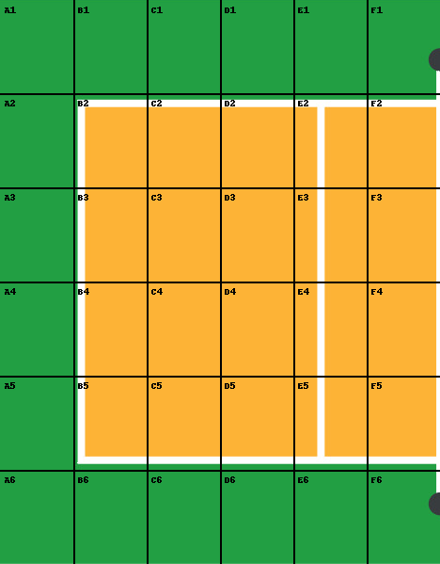
ACTION | ROW | COLUMN | RESULT
 |  |  |  | ACTIONS KEY | RESULTS KEY
 |  |  |  | A: ATTACK | A : ACE
 |  |  |  | S : SERVE | D : DUG
 |  |  |  |  | E : ERROR
 |  |  |  |  | N : NET
 |  |  |  |  | P : POINT
 |  |  |  |  | R : RECEIVED

Attack Heatmap

 | A | B | C | D | E | F
1 | 0 | 0 | 0 | 0 | 0 | 0
2 | 0 | 0 | 0 | 0 | 0 | 0
3 | 0 | 0 | 0 | 0 | 0 | 0
4 | 0 | 0 | 0 | 0 | 0 | 0
5 | 0 | 0 | 0 | 0 | 0 | 0
6 | 0 | 0 | 0 | 0 | 0 | 0

